8 Log Ticket
Issue Type: | Bug
Issue Title: | POS error when cookies are disabled/turned off.
Steps to Replicate: | 1. Open POS System url.
 | 2. Go to browser's settings.
 | 3. Turn off/disable collecting cookies.
 | 4. Visit POS System main screen.
Expected Result: | User should be redirected to home screen.
Actual Result: | Error reload the page.
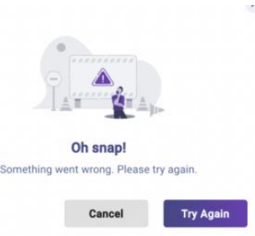
Attachment:

